Application Screen
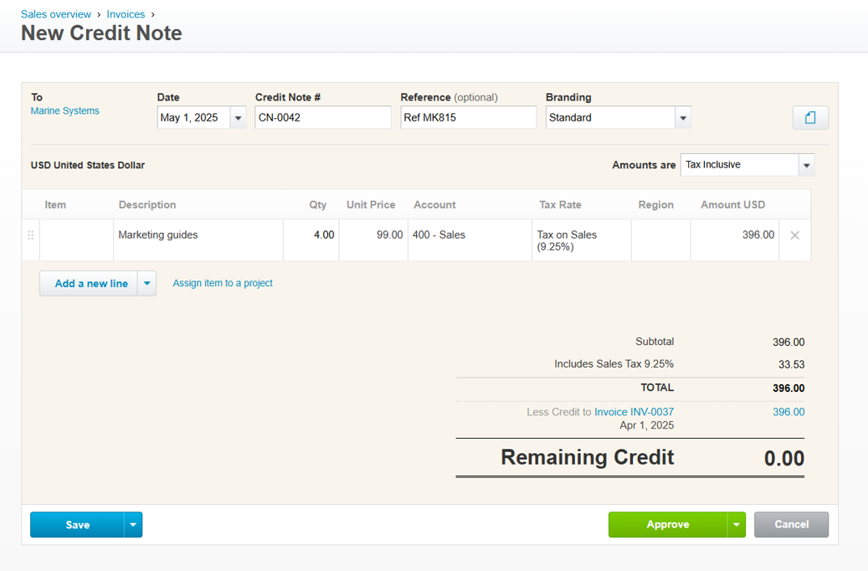

Test Case 9
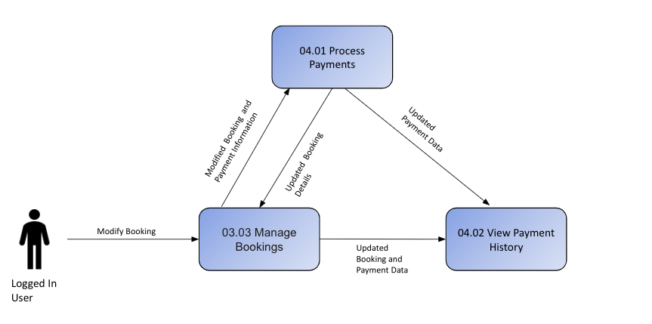
TC Title: | TC9. Data-Dependency Validation

TC Objective: | To ensure that credit note behavior and values are correctly validated based on related data, such as invoices, accounts, tax rates, and customer information.

TC Description
 | Step | Step Description | Expected Results
 | 1 | Currency-Based Field Dependency | Amounts reset or recalculate using updated exchange rate
 | 2 | Contact/Vendor-Based Dependency | The system should prevent credit note creation with an inactive vendor and display a clear error message
 | 3 | Account Type & Category Dependency | The system should validate that the selected account aligns with the appropriate account type (expense, liability, etc.) and category (operating expense, capital expense, etc.) for the credit note transaction being created.
 | 4 | Tax Type and Region Dependency | The correct tax rate (e.g., GST, VAT, custom) is applied based on the supplier region selected during credit note creation.
 | 5 | Payment Method Dependency | The payment method dropdown will offer all the available options (e.g., Bank Transfer, Credit Card, PayPal, etc.).
 | 6 | Role/User Dependency | When a user’s role is changed, their permissions automatically update based on the new role. For example, changing a user from Standard to Read-Only removes the ability to edit or create credit note.

